LOT3504
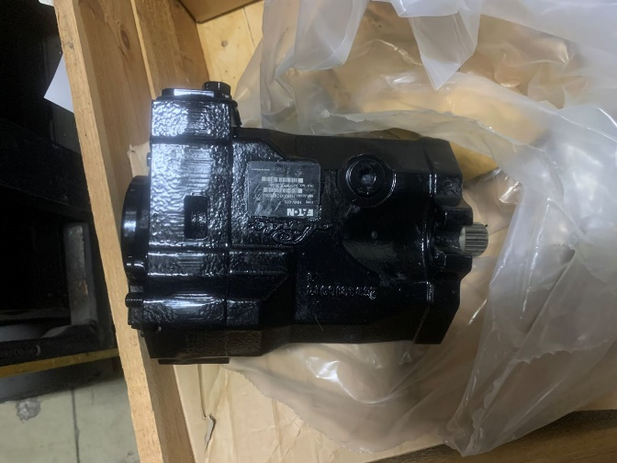
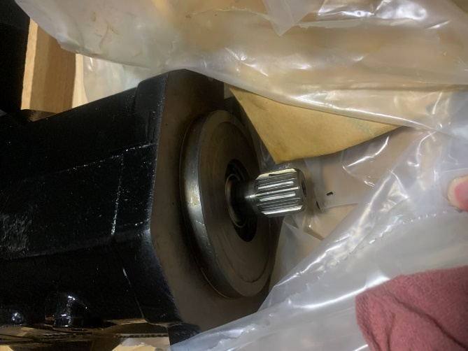
BRAND | DESCRIPTION / PART NUMBER | QTY | UNIT REPLACEMENT COST USD | TOTAL REPLACEMENT COST USD
DANFOSS EATON | MOTORS MODEL: 531AW00380A | 17 | $2,319.82 | $39,436.94
 | Customer pays freight and customs (if required).
 | F.O.B. Houston, TX
 | Currency is USD

REPLACEMENT COSTS ARE SHOWN FOR REFERENCE ONLY
THIS LOT CAN BE PURCHASED IN PART OR WHOLE
THE SUPPLIER IS LOOKING FOR REASONABLE OFFERS ON ALL OR PART OF THIS INVENTORY

Interested in this Lot? Call us or text us right now at +1 (250) 758-2055
Millions more at 35% - 60% discounts on our web site: deadstockbroker.com
Does your vendor give you extra discounts? - We Do!

ALL PRODUCT GUARANTEED!!

THERE ARE MORE PHOTOS ON OUR WEB SITE

