LOT3517
SKU | UPC | DESCRIPTION | CASE PK | QTY | UNIT REPLACEMENT COST USD | TOTAL REPLACEMENT COST USD
OPVL5 | 813789015000 | https://opteka.com/products/opteka015000?_pos=1&_sid=2f2bac400&_ss=r | 100 ea | 18618 | $24.95 | $464,519.10
MI-OPTLTBOX | 842984107715 | https://opteka.com/products/opteka-vl-126-ultra-high-power-126-led-digital-camera-camcorder-video-light?_pos=1&_sid=cc09be529&_ss=r | 10 ea | 1555 | $39.95 | $62,122.25
OP3P55 | 49368100113 | https://opteka.com/products/opteka-55mm-high-definition-3-piece-filter-kit-uv-pl-fld-sliver?_pos=2&_sid=8fc86787c&_ss=r | 200 ea | 1532 | $29.95 | $45,883.40
OP3P67 | 49368100137 | https://opteka.com/products/opteka-67mm-high-definition-multi-coated-3-piece-filter-kit-uv-cpl-fld?_pos=1&_sid=6918c7772&_ss=r | 100 ea | 1450 | $29.95 | $43,427.50
OPTVL20 | 813789011118 | https://opteka.com/products/optvl20?_pos=1&_sid=5bbd17626&_ss=r | 20 ea | 603 | $29.95 | $18,059.85
APH15BK | 813789018995 | https://www.ebay.com/itm/373902971663 | 100 ea | 496 | $19.95 | $9,895.20
OPT-INFLATE-DIFF | 49368826396 | https://opteka.com/products/opsbfs?_pos=1&_sid=39689b765&_ss=r | 55 ea | 464 | $4.95 | $2,296.80
OP3P37 | 49368100090 | https://opteka.com/products/opteka-37mm-3-piece-high-definition-multi-coated-filter-kit-uv-cpl-nd8-sliver?_pos=1&_sid=fec8ecf65&_ss=r | 50 ea | 132 | $29.95 | $3,953.40
OPTVL176 | 814578020823 | https://opteka.com/products/opteka-vl-126-ultra-high-power-126-led-digital-camera-camcorder-video-light?_pos=1&_sid=52169ca42&_ss=r | 20 ea | 107 | $39.95 | $4,274.65
OP3P25 | 84438817256 | https://www.walmart.com/ip/3-Piece-Filter-Kit-UV-FD-CPL-25mm-Filters-w-Hard-Case-for-Sony-Handycam-MiniDV-Camcorders/981528989?from=/search | 100 ea | 101 | $29.95 | $3,024.95
OPVL800 | 813789011095 | https://opteka.com/products/opteka-vl-800-ultra-high-power-led-video-light-for-canon-eos-7d-6d-5d-1dx?_pos=1&_sid=e5c807fb4&_ss=r | 15 ea | 86 | $99.95 | $8,595.70
OP3P62 | 49368100434 | https://opteka.com/products/opteka-62mm-high-definition-3-piece-filter-kit-uv-pl-fld-sliver?_pos=2&_sid=8956c0eb2&_ss=r | 83 ea | 83 | $29.95 | $2,485.85
OPT-OPVLB1 | 813789014751 | https://www.walmart.com/ip/Opteka-VLB-1-C-Shaped-Adjustable-DSLR-Flash-Bracket-Mount-Holder-Pentax-K-01-K01-K-3-K3-K-5-K5-II-IIs-K-7-K7-K10-K10D-K20-K20D-K-30-K30-K-50-K50-K-10/41377229 | 24 ea | 54 | $6.95 | $375.30
 |  |  |  |  | USD | $668,913.95

Replacement costs are shown FOR REFERENCE ONLY. Offers accepted.
F.O.B. - Brookyln, NY

THIS LOT CAN BE PURCHASED IN PART OR WHOLE
THE SUPPLIER IS LOOKING FOR REASONABLE OFFERS ON ALL OR PART OF THIS INVENTORY
MINIMUM ORDERS APPLY
MILLIONS MORE AT 35% - 60% DISCOUNT ON OUR WEBSITE
DOES YOUR VENDOR GIVE YOU EXTRA DISCOUNTS?? WE DO!!
ALL PRODUCT GUARANTEED!
MAKE AN OFFER
WWW.DEADSTOCKBROKER.COM
E-MAIL: inventory@deadstockbroker.com
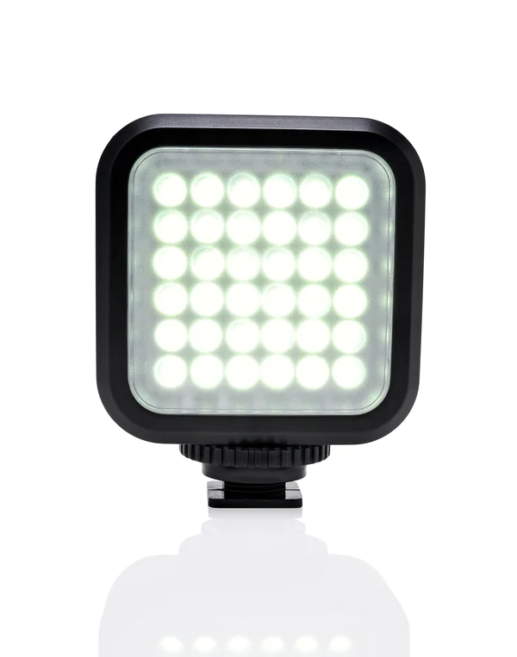
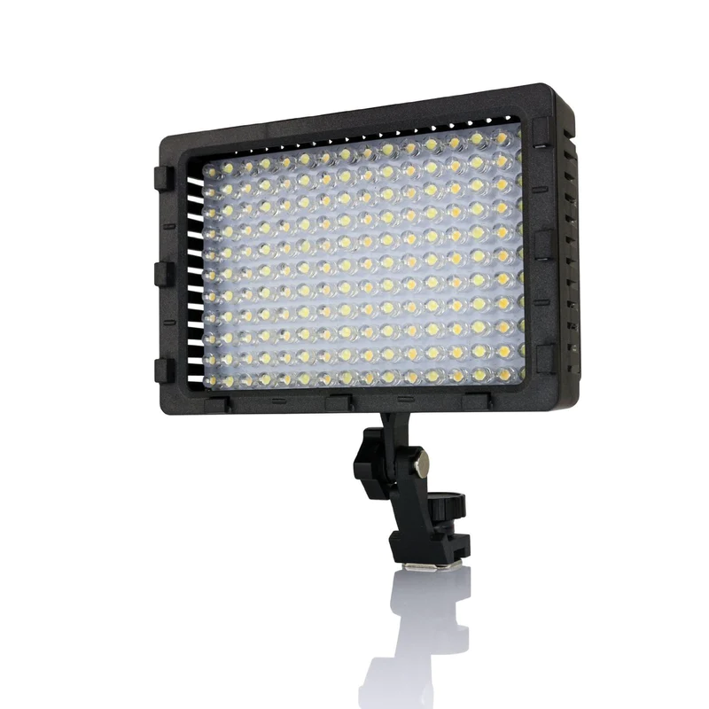
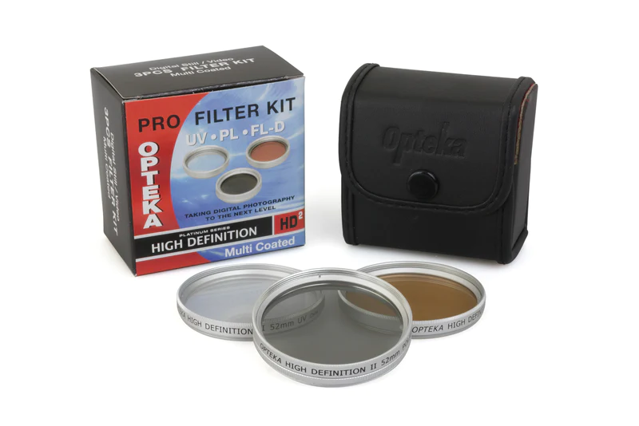

MORE PHOTOS AVAILABLE FOR EACH ITEM BY CLICK THE LINK IN EACH DESCRIPTION

