LOT3497
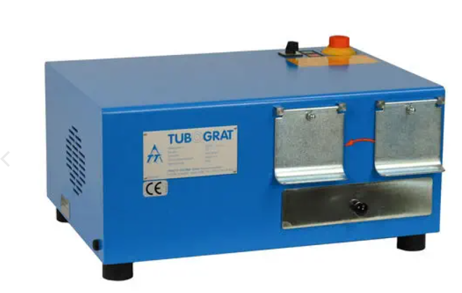
BRAND | DESCRIPTION / PART NUMBER | QTY | UNIT REPLACEMENT COSTS USD | TOTAL REPLACEMENT COSTS USD
TURBOGRAT | TUBOGRAT TG48 1071 REAMER DEBURR 6198 WITH SPARE REAMERS AND DEBURR TOOLING | 1 | $3,150.00 | $3,150.00
 | Crating will be extra.
 | F.O.B Windsor, Ontario, Canada
 | Currency is USD

 |  |  |  | $3,150.00

MILLIONS MORE AT 35% - 60% DISCOUNT ON OUR WEBSITE
DOES YOUR VENDOR GIVE YOU EXTRA DISCOUNTS?? - WE DO!!

ALL PRODUCT GUARANTEED!!

