LOT3490
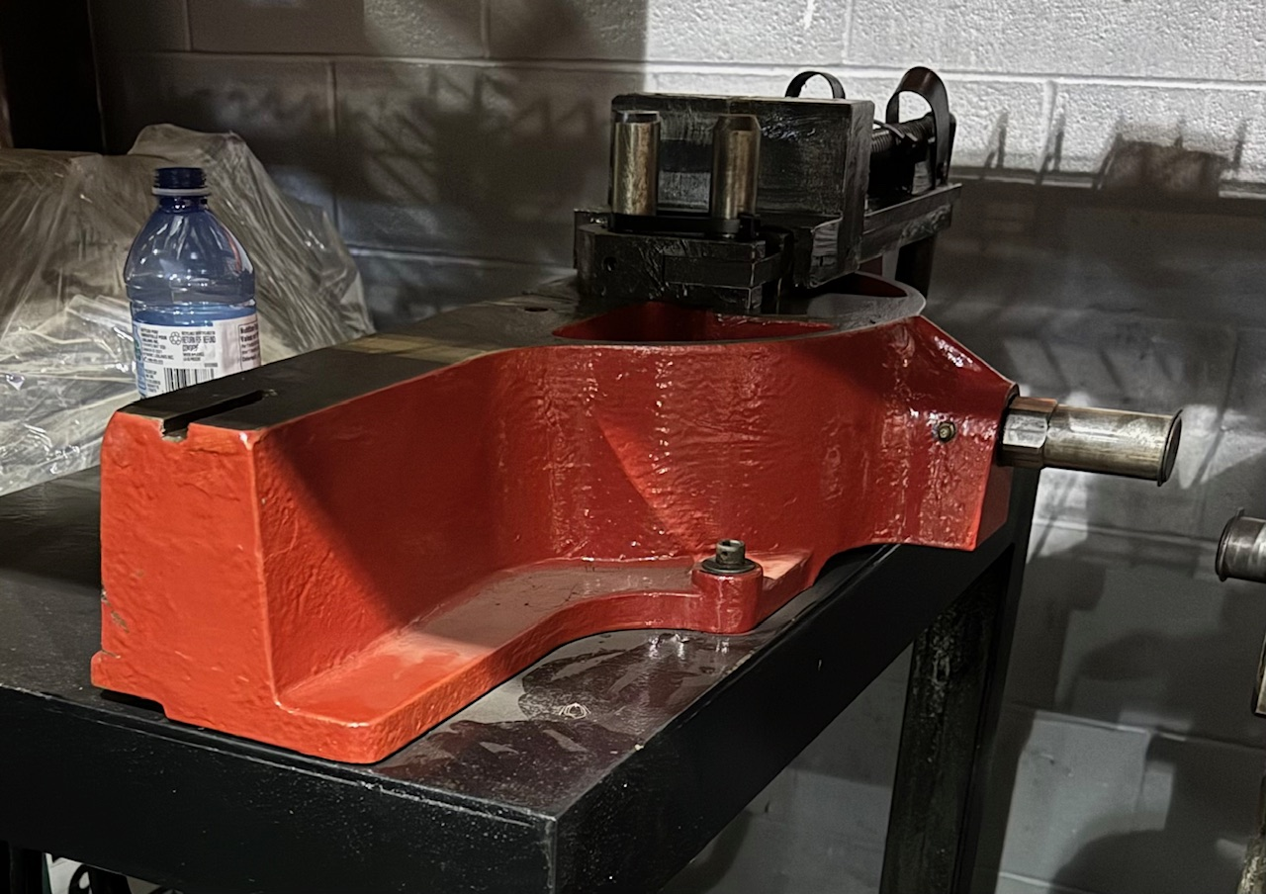
BRAND | DESCRIPTION / PART NUMBER | QTY | UNIT REPLACEMENT COSTS USD | TOTAL REPLACEMENT COSTS USD
Lakeland | 1 PC LAKELAND 624 USED / REFURBISHED TUBE BENDER ON A ROLLING STAND DELIVERY: 1 WEEK` | 1 | $5,625.00 | $5,625.00
 | Includes 1 year warranty.
 | F.O.B Windsor, Ontario, Canada
 | Currency is USD

TOTAL |  |  |  | $5,625.00

MILLIONS MORE AT 35% - 60% DISCOUNT ON OUR WEBSITE
DOES YOUR VENDOR GIVE YOU EXTRA DISCOUNTS?? - WE DO!!

ALL PRODUCT GUARANTEED!!

