LOT3489
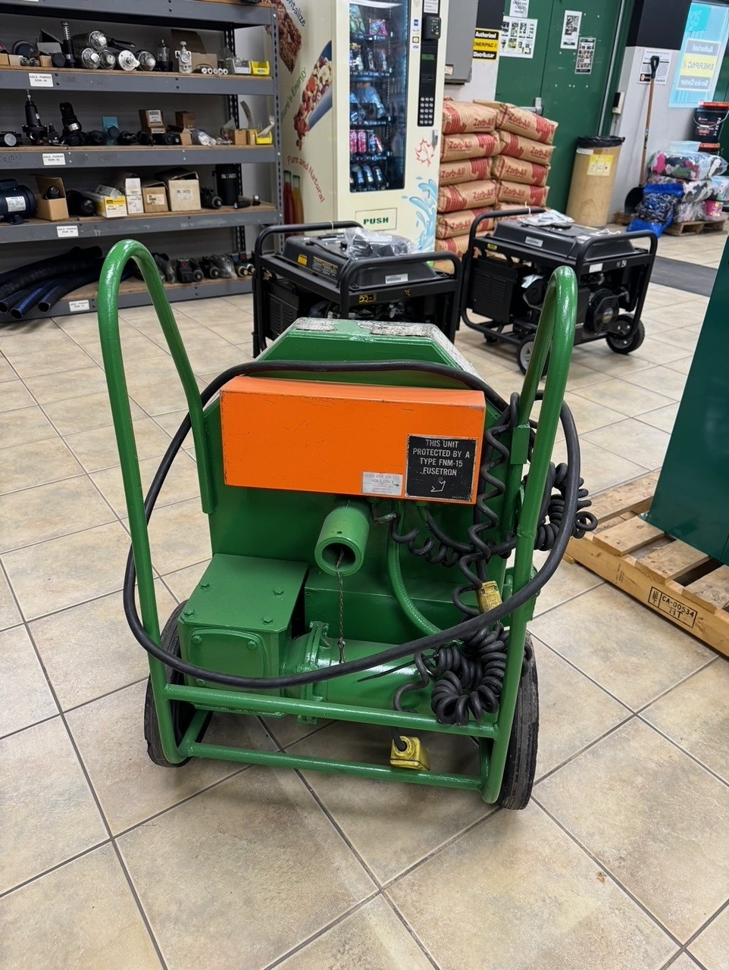
BRAND | DESCRIPTION / PART NUMBER | QTY | UNIT REPLACEMENT COSTS USD | TOTAL REPLACEMENT COSTS USD
Greenlee | Greenlee Conduit Bender Comes with two dies. | 1 | $1,700.00 | $1,700.00
 | F.O.B Windsor, Ontario, Canada
 | Currency is USD

TOTAL |  |  |  | $1,700.00

MILLIONS MORE AT 35% - 60% DISCOUNT ON OUR WEBSITE
DOES YOUR VENDOR GIVE YOU EXTRA DISCOUNTS?? - WE DO!!

ALL PRODUCT GUARANTEED!!

