LOT3488
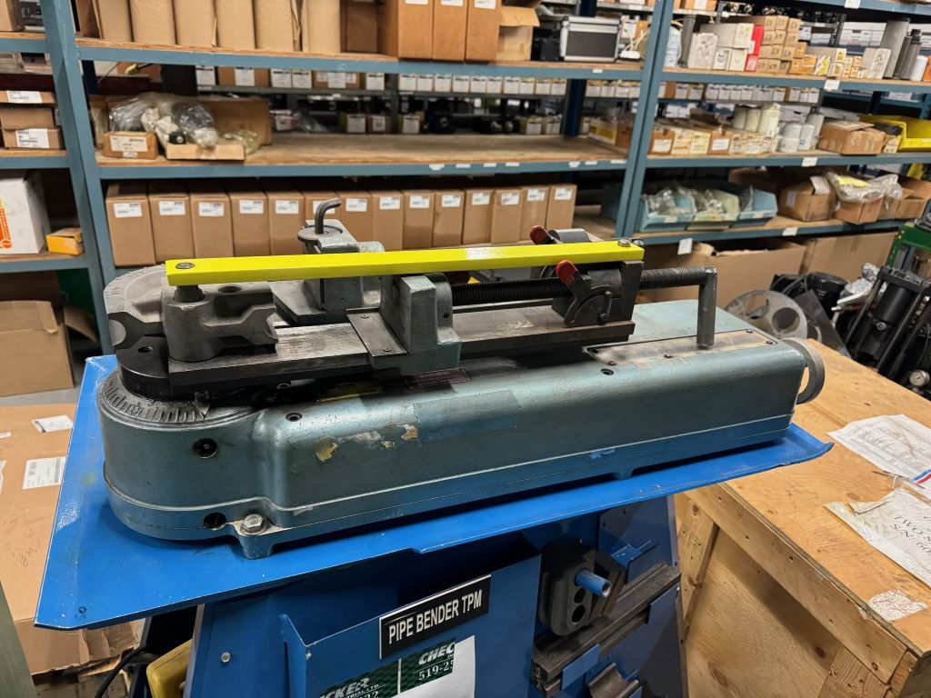
BRAND | DESCRIPTION / PART NUMBER | QTY | UNIT REPLACEMENT COSTS USD | TOTAL REPLACEMENT COSTS USD
Lakeland | LAKELAND 632 BENDER Comes with 1/2" to 1-1/2" Tooling | 1 | $12,550.00 | $12,550.00
 | Crating for Shipping | 1 | $500.00 | $450.00
 | F.O.B Windsor, Ontario, Canada
 | Currency is USD

TOTAL |  |  |  | $13,000.00

MILLIONS MORE AT 35% - 60% DISCOUNT ON OUR WEBSITE
DOES YOUR VENDOR GIVE YOU EXTRA DISCOUNTS?? - WE DO!!
ALL PRODUCT GUARANTEED!!

