LOT3481
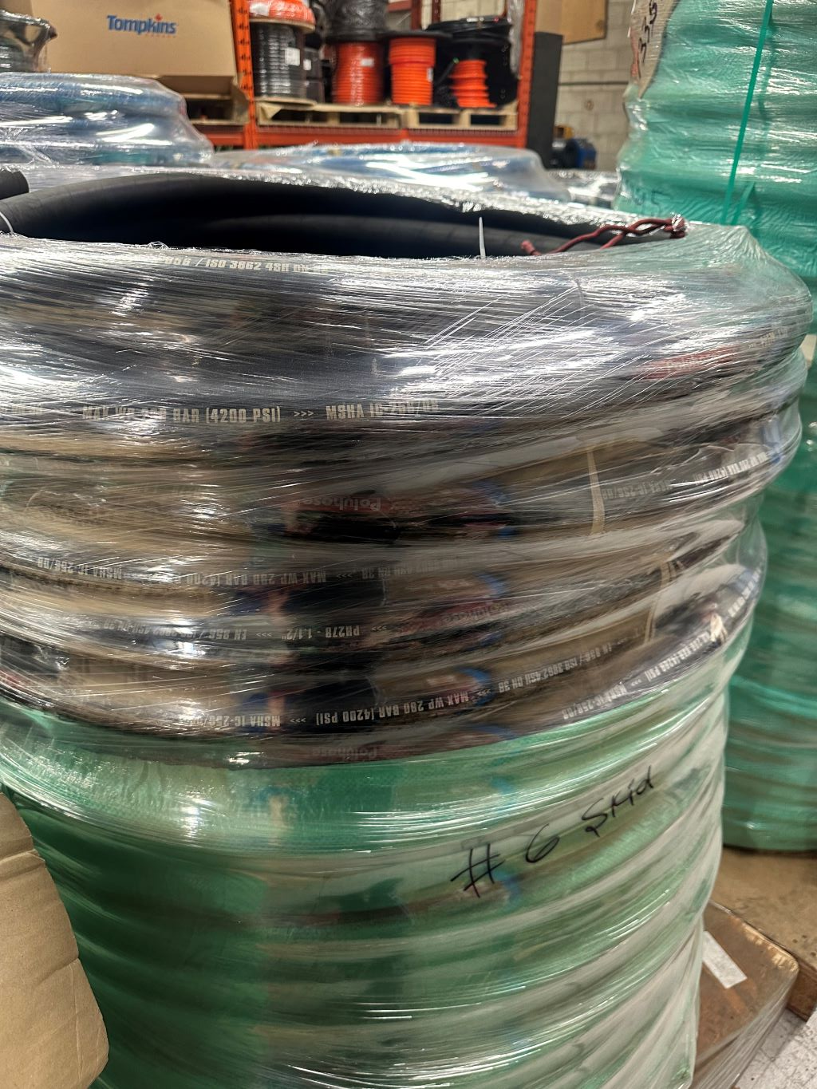
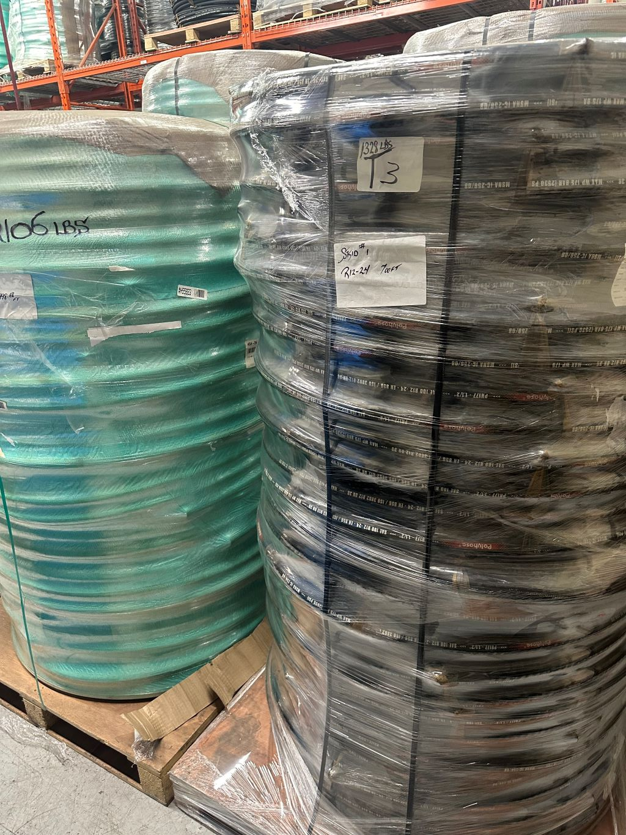
BRAND | PART # | DESCRIPTION | QTY (FT) | HOSE DATE | UNIT REPLACEMENT COST CAD | TOTAL REPLACEMENT COST CAD | UNIT REPLACEMENT COST USD | TOTAL REPLACEMENT COST USD

POLYHOSE | R12-24 | 1 1/2 R12 2535 PSI - 50' COIL | 3050 | 2018 | $5.00 | $15,250.00 | $3.85 | $11,730.77
POLYHOSE | 4SH-24 | 6000PSI HYDRAULIC HOSE | 2123.68 | 2017 | $5.50 | $11,680.24 | $4.23 | $8,984.80
POLYHOSE | R13-32 | 2” 5000 psi | 700 | 2018 | $12.08 | $8,456.00 | $9.29 | $6,504.62
POLYHOSE | R5XT-24 | 1 3/8 R5 BLUE | 1857 | 2019 | $3.50 | $6,499.50 | $2.69 | $4,999.62
POLYHOSE | PH521-08 | 4000PSI PRESSURE WASH HOSE | 7494 | 2018 | $0.75 | $5,620.50 | $0.58 | $4,323.46
POLYHOSE | 1SN-10 | 5/8 1SN-R1AT 1900 PSI MSHA - 500' REEL | 4926 | 2018 | $0.98 | $4,827.48 | $0.75 | $3,713.45
POLYHOSE | R5XT-32 | 2” R5 BLUE | 693 | 2018 | $5.10 | $3,534.30 | $3.92 | $2,718.69
POLYHOSE | 4SP-12 | 3/4 4SP 5075 PSI - 100' COIl | 1600 | 2019 | $1.90 | $3,040.00 | $1.46 | $2,338.46
POLYHOSE | R7-TL-05 | 5/16 R7-TWIN LINE 2500 PSI - 250' COIL | 1000 | 2019 | $1.35 | $1,350.00 | $1.04 | $1,038.46
POLYHOSE | R12-32-AR | 2535 PSI AR - 50FT COIL TOUGH COVER | 90 | 2019 | $6.00 | $540.00 | $4.62 | $415.38

 |  |  |  |  | CAD | $60,798.02 | USD | $46,767.71

REPLACEMENT COSTS ARE SHOWN FOR REFERENCE ONLY
THE SUPPLIER IS LOOKING FOR A REASONABLE OFFER ON THIS INVENTORY
MILLIONS MORE AT 35% - 60% DISCOUNT ON OUR WEBSITE

ALL PRODUCT GUARANTEED!!!
MAKE AN OFFER
www.deadstockbroker.com / +1 (250) 758-2055

