Sheet2
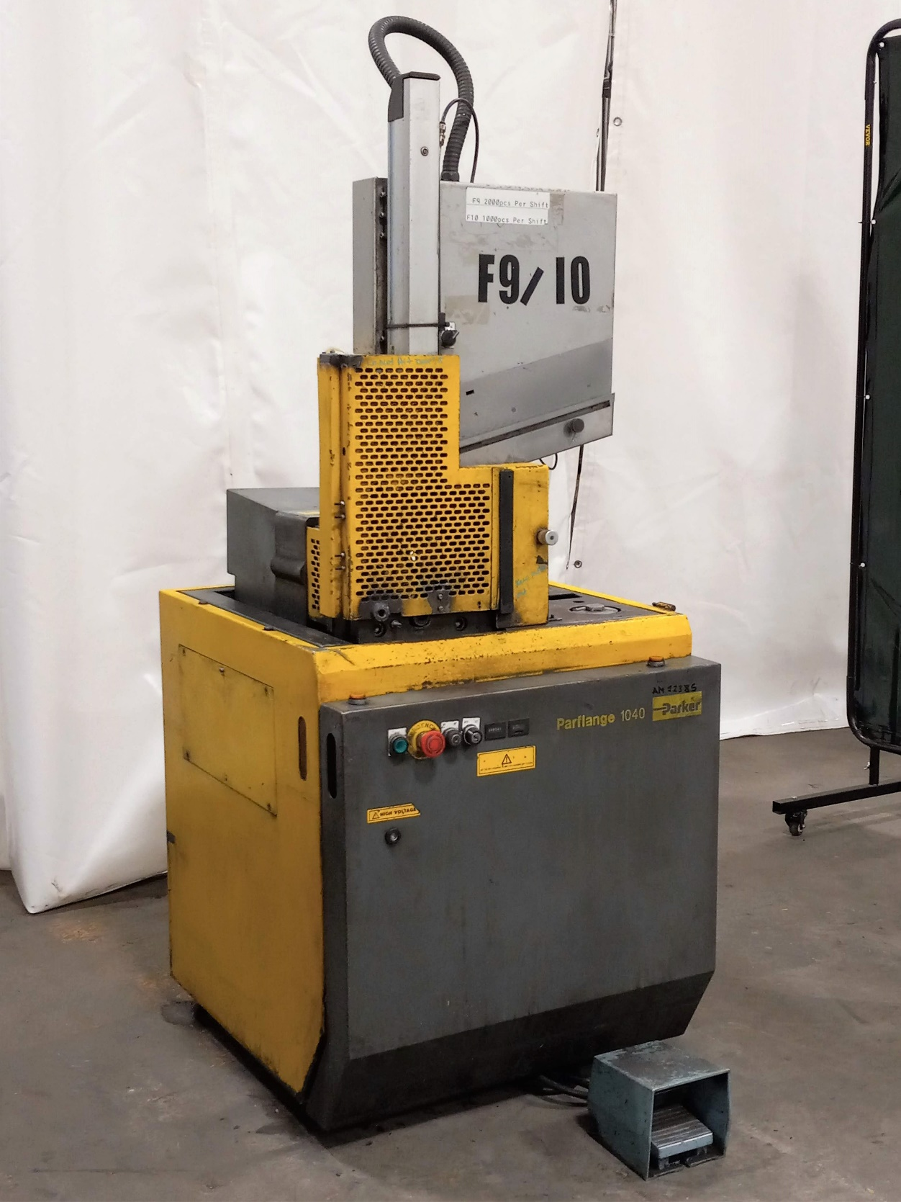
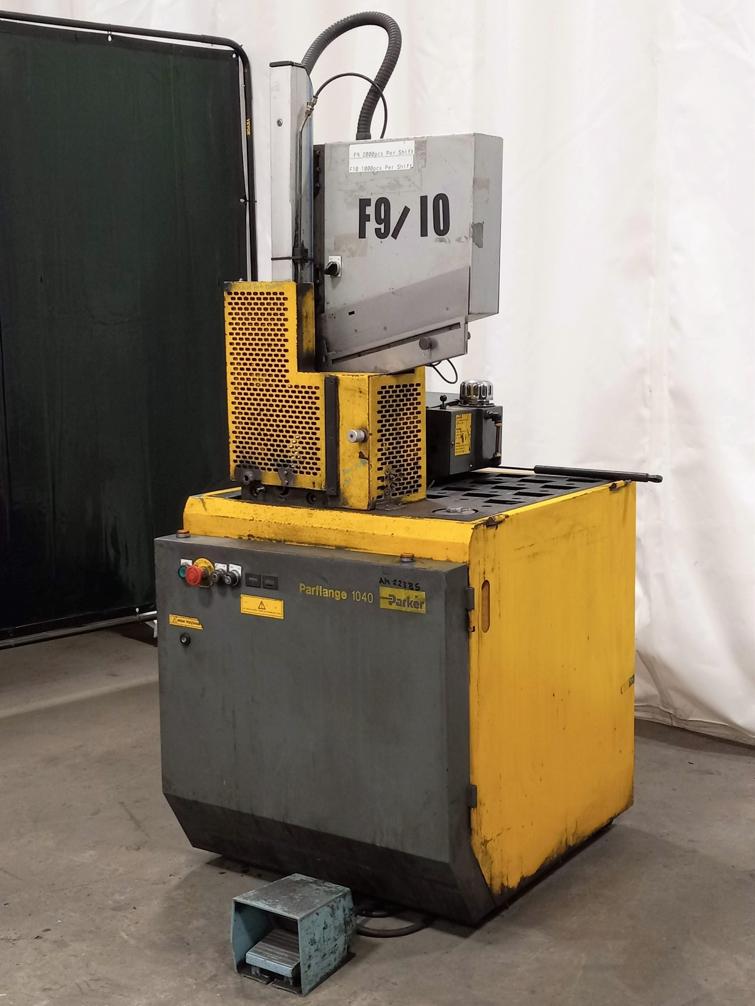
PART# | DESCRIPTION | QTY | PRICE U.S.
AM22385 | PARKER PARFLANGE 1040 tube end flanging & flaring machine. -used- Model: 1040 Specifications: • Flanging (90°) or Flaring (37°) with simple tooling change • Maximum tube OD: o 2” x .120” (mild steel) o 1-1/2” x .120” (stainless steel) • Minimum tube OD: 1/4” mild & stainless steel Includes: • Built in power vise for shorter cycle time • Built in 2-hand cycle start controls 260/460 Volt, 60 Hz, 3 Phase Electrics DISCOUNTED PRICE, AS PICTURED, CYCLED UNDER POWER, FOB CLEVELAND, OHIO | 1 | $29,500.00

 | TOTAL |  | $29,500.00

F.O.B. ONTARIO, CANADA
MILLIONS MORE AT 35% - 60% DISCOUNT ON OUR WEBSITE
DOES YOUR VENDOR GIVE YOU EXTRA DISCOUNTS?? - WE DO!!
ALL PRODUCT GUARANTEED!!
THIS MACHINE IS READY TO WORK

