Sheet1
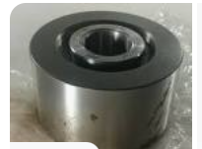
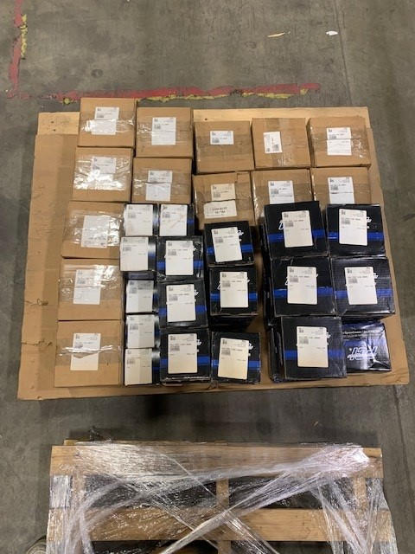
MFR | PART # | QTY | UNIT REPLACEMENT COST CAD | TOTAL REPLACEMENT COST CAD | UNIT REPLACEMENT COST USD | TOTAL REPLACEMENT COST USD
PROCAL INNOVATIONS LLC | SPECIAL FTRY 5.00 YOKE-FLANGED-396088 | 11 | $527.51 | $5,802.61 | $405.78 | $4,463.55
PROCAL INNOVATIONS LLC | SPECIAL FTRY 4.00A YOKE-FLANGED-396088 | 12 | $272.31 | $3,267.72 | $209.47 | $2,513.63
PROCAL INNOVATIONS LLC | PTR-7.00 SPECIAL TRACK ROLLER 400377 | 13 | $208.00 | $2,704.00 | $160.00 | $2,080.00
PROCAL INNOVATIONS LLC | PTRY-4.00A PLAIN YOKE TRACK ROLLER | 9 | $104.98 | $944.82 | $80.75 | $726.78

REPLACEMENT COSTS ARE SHOWN FOR REFERENCE ONLY
THIS LOT CAN BE PURCHASED IN WHOLE OR IN PART
THE SUPPLIER IS LOOKING FOR REASONABLE OFFERS ON THIS STOCK
MILLIONS MORE AT 35% - 60% DISCOUNT ON OUR WEBSITE
DOES YOUR VENDOR GIVE YOU EXTRA DISCOUNTS?? - WE DO!!
MAKE AN OFFER!!
WWW.DEADSTOCKBROKER.COM E-MAIL: inventory@deadstockbroker.com
ALL PRODUCT GUARANTEED!!
MINIMUM ORDERS APPLY

