Sheet2
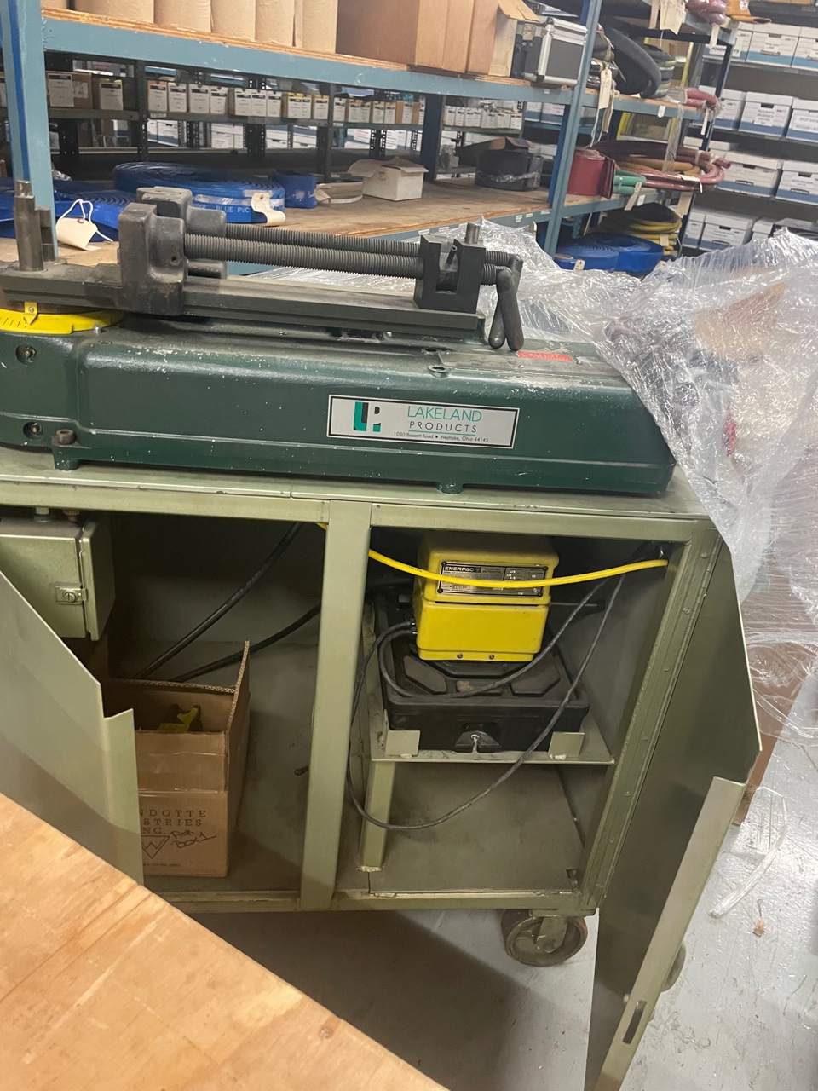
PART# | DESCRIPTION | QTY | PRICE U.S.
PARKER LAKELAND HB632 | PARKER LAKELAND HB632 BENDER, REFURBISHED, C/W HYDRAULIC PUMP ON A ROLLING STAND AND TOOLING UP TO 1". LARGER TOOLING SIZES LISTED BELOW. PICTURES ON OUR WEBSITE. | 1 | $13,850.00
 | 1-1/4" CLAMP SLIDE AND RADIUS BLOCKS |  | $850.00
 | 1-1/2" CLAMP SLIDE AND RADIUS BLOCKS |  | $1,025.00
 | 2" CLAMP SLIDE AND RADIUS BLOCKS |  | $1,950.00
 | ADAPTER PLATE FOR 2" TOOLING |  | $825.00

 | TOTAL |  | $18,500.00

F.O.B. ONTARIO, CANADA
MILLIONS MORE AT 35% - 60% DISCOUNT ON OUR WEBSITE
DOES YOUR VENDOR GIVE YOU EXTRA DISCOUNTS?? - WE DO!!
ALL PRODUCT GUARANTEED!!
THIS MACHINE IS READY TO WORK

